시트1
Project Name: | NextLevel Research Conference Management System
Test CaseID | T4.3
Test Case Description | Reviewer comment on the review made by other reviewers
Created by: | Yechan Kim
Date of testing: | 3rd November 2022
Actor: | Reviewer
Pre-condition: | At least one review has been made.
 | Reviewer clicks view comment button on the review.

Test Step | Step Details | Test Data | Expected Results | Actual Results | Pass/Fail/Not executed/Suspended | Screenshots, if possible | Remarks
T4.3 - 1 | Reviewer types in comment and give ratings. |  | The typed details will be reflected in the box. The user should be able to type in comment and select ratings for the review. | The typed details is reflected in the box. | Pass | 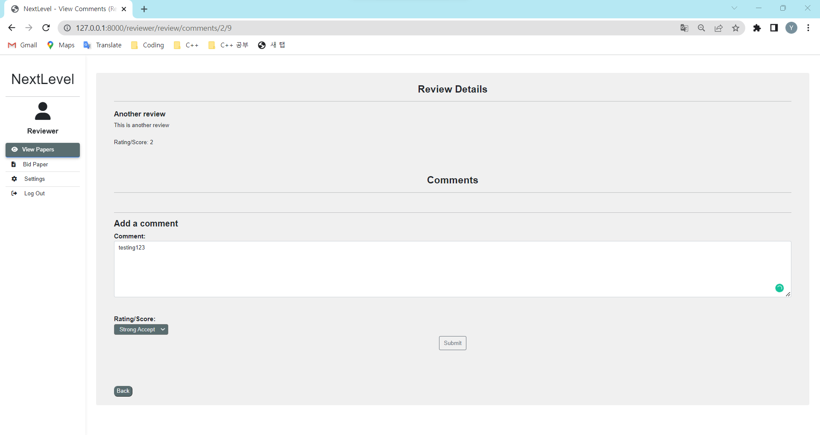
T4.3 - 2 | Reviewer cicks "Submit" button. |  | System will upload the comment and display with the comment below other comments. The user should be able to view the review details, other comments, with submitted comment. | System uploads the comment and display with the comment below other comments. | Pass | 